Intro-Data
Utilizing Collected Data
In An Exel Spreadsheet
to Formulate
Market Indictors For
1. Rents
2. Vacancy
3. Expenses
4. Capitalization Rates
For Use in
Income Approach to Value

Intro-Income Approach
Assemble Data
to
Prepare a
Pro-Forma
Income & Expense
for each
Property Type
(retail, office, apartment, etc.)

Cap Rates
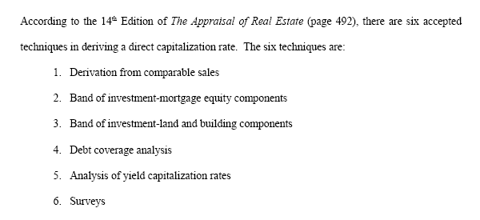
CAPITALIZATION RATE

Cap Rate Intro
Overall Capitalization Rate
1. Derivation from Comparable
Sales

Derive Cap Rate
Deriving a Capitalization Rate
From the Sale
of a
Property in Town
Using
IRV
I = Income (net operating income)
R = Capitalization Rate
V = Value
I divided by V equals R

I&E Apt
APARTMENT COMPLEX - ACTUAL INCOME & EXPENSES
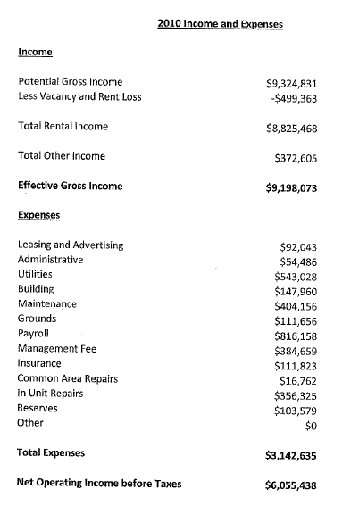

 | Income (net operating income)

Tax Court
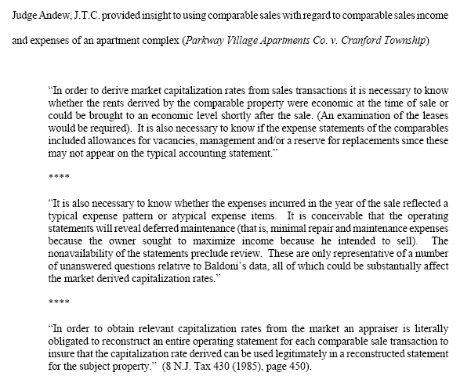
TAX COURT INSIGHT IN USING COMPARABLE SALES TO DERIVE A MARKET CAPITALIZATION RATE

Sales-Cap
The Appraisal of Real Estate, 14th Edition Cautions Appraisers when Deriving a Captialization Rate from a Comparable Sale:
"The appraiser must make certain that the net operating income of each comparable property is calculated and estimated in the same way that the net operating income of the subject proeprty is estimated."
What Does That Mean???
What Is The Effect??

Sales Cap-Caution
THE CAPITALIZATION RATE CAN BE OVER OR UNDERSTATED
The following examples illustrate the importance of deriving and applying rates consistently. In the first example below, the replacement allowance for the subject property is estimated to be $2,500. The overall rate indicated by the comparable sale, in which a replacement allowance is not deducted as an operating expense, was 8.5%. In the second example, the replacement allowance is deducated as an operating expense, and the indicated overall rate becomes 8.25%.

Allowance for Replacements Not Included in Operating Expenses
Net Operating Income: $85,000
Overall Rate: 0.0850
Capitalization: $85,000/0.0850 $1,000,000
Allowance for Replacements Included in Operating Expenses
Net Operating Income: $82,500
Overall Rate: 0.0825
Capitalization: $82,500/0.0825 $1,000,000

Band
BAND OF INVESTMENT

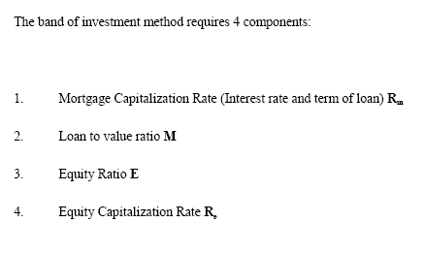

Band of Investment Formula

Band-Calc
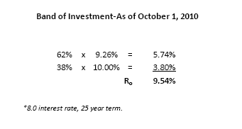
CALCULATION OF BAND OF INVESTMENT

Survey
Surveys
Various national real estate and research firms survey institutional investors periodically and publish the discount and capitalization requirements of those investors. The results of these surveys can give appraisers an overall picture of current return requirements (in contrast to historical performance data). Many appraisers survey investors and other market observers in their local markets to augment secondary survey data. In the development of a capitalization rate, surveys are generally used as support rather than as primary evidence of a capitalization rate. Survey data obtained directly from subscription services often contains more comprehensive information about investment criteria and trends than information published in trade press. In judging the reliability of capitalization rate survey data, the appraiser may consider the following:
1. The number and composition of survey participants.
2. The geographical location of each sector of real estate market covered by the survey.
3. The category or product, grade or quality, and locational attributes of each section of the real estate market surveyed.
4. How the measures of financial performance such as overall capitalization rates are derived.
5. Whether reserves for replacement are included for Ro survey data.
6. The fact that surveys almost always represent leased fee capitalization rates.

 | Various national real estate and research firms survey institutional investors periodically and publish
 | the discount and capitalization requirements of those investors. The results of these surveys can give
 | appraisers an overall picture of current return requirements (in contrast to historical performance data).
 | Many appraisers survey investors and other market observers in their local markets to augment
 | secondary survey data. In the development of a capitalization rate, surveys are generally used as support
 | rather than as primary evidence of a capitalization rate. Survey data obtained directly from subscription
 | services often contains more comprehensive information about investment criteria and trends than
 | information published in trade press.96 In judging the reliability of capitalization rate survey data, the
 | appraiser may consider the following:

PWC-Apt
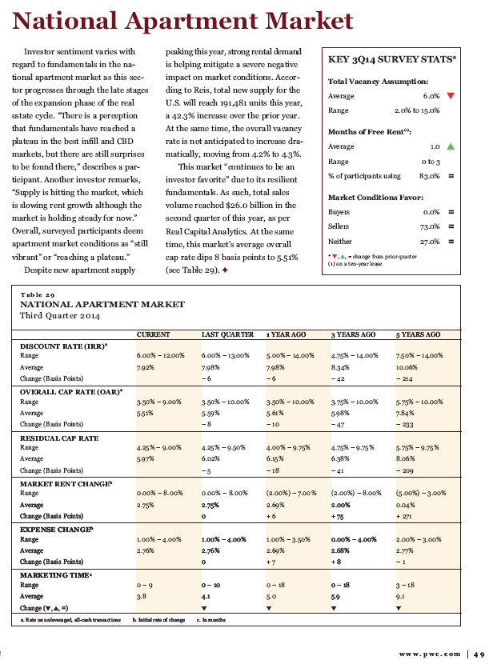
PWC REAL ESTATE INVESTORS SURVEY (KORPACZ) - 3RD QUARTER 2014

ACLI
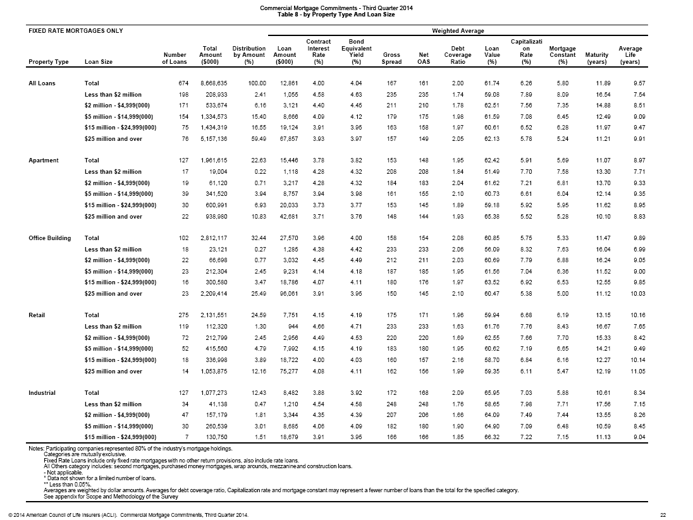
ACLI INVESTMENT BULLETON - 3RD QUARTER 2014

Summary
SUMMARY-CAPITALIZATION RATES
1. Dervied from Market Sales-Best Approach, Most Difficult
2. Band of Investment-Next Best, Used Often
3. Band of Investment-Land & Building-Least Used
4. Debt Coverage Ratio-Good Support Method
5. Surveys-Good Source, Used Often

